Q3
Render and stair - 12-15 (slightly adapted)
Suggestion: see Arnold's Muffler shop example in the textbook (M/M/1 example) for additional explanation of costs
Background:

The wheat harvesting season in the American Midwest is short, and most farmers deliver their truckloads of wheat to a giant central storage bin within a 2-week span. Because of this, wheat-filled trucks waiting to unload and return to the fields have been known to back up for a block at the receiving bin.
The central bin is owned cooperatively, and it is to every farmer’s benefit to make the unloading/storage process as efficient as possible. The cost of grain deterioration caused by unloading delays, the cost of truck rental, and idle driver time are significant concerns to the cooperative members.
Although farmers have difficulty quantifying crop damage, it is easy to assign a waiting and unloading cost for truck and driver of $18 per hour. The storage bin is open and operated 16 hours per day, 7 days per week, during the harvest season and is capable of unloading 35 trucks per hour according to an exponential distribution. Full trucks arrive all day long (during the hours the bin is open) at a rate of about 30 per hour, following a Poisson pattern.
To help the cooperative get a handle on the problem of lost time while trucks are waiting in line or unloading at the bin, find the following:
(a) average number of trucks in the unloading system.
(b) average time per truck in the system.
(c) utilization rate for the bin area.
(d) probability that there are more than three trucks in the system at any given time.
(e) total daily cost to the farmers of having their trucks tied up in the unloading process.
The cooperative, as mentioned, uses the storage bin only two weeks per year. Farmers estimate that enlarging the bin would cut unloading costs by 50% next year. It will cost $9,000 to do so during the offseason. Would it be worth the cooperative’s while to enlarge the storage area?
 |  |  |  |  |  |  |  |  |  |  | Example of grain silos
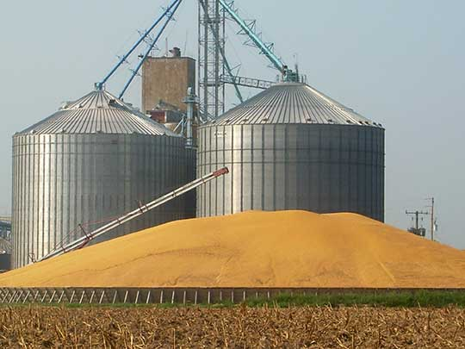

 |  |  |  |  |  |  |  |  |  |  | Interesting application of queueing theory:
 |  |  |  |  |  |  |  |  |  |  | http://www.consultgpb.co.za/grain.htm

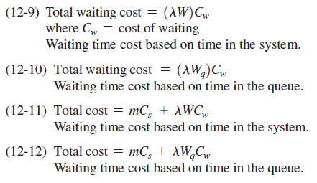
 | In addition to the formulas to calculate the queueing characteristics for an M/M/1 queueing system (see slides),
 | the following cost formulas might also come in handy with this question: |  |  |  |  |  |  |  | lamda | 30
 |  |  |  |  |  |  |  |  | mu | 35

 | Some final answers (to compare your results against) |  |  |  |  |  |  | e)
 | a | 6 | trucks | 6 | trucks | LS= | 0.85714285714 | total waiting cost vased on time in system |  | 108
 | b | 12 | minutes | 12 | minutes | LQ= | 5.1428571429
 | c | 0.857 |  | 0.85714285714 |  | ws= | 0.028571428571
 | d | 0.54 |  | 0.53977509371 |  | wq= | 0.17142857143
 | e | 1728 $/day |  | 1728

 | 2

Q4
Question 1 from 2020 A1 [11 marks]
FIllMeUp owns diesel depots along the N1 national road between Cape Town and Johannesburg. They have contracts to supply diesel to a number of road freight transport companies operating along this route. One of their depots, situated in Beaufort West, where trucks arrive every 40 minutes throughout the day, on average. With the current fuel pump, it takes on average 15 minutes to fill up a truck with diesel. The nearest other depots operated by FillMeUp is Worcester (350 km in the direction of Cape Town) and Colesberg (320 km in the direction of Johannesburg). Assume that all the assumptions hold that allows one to use queueing theory to model this system. Answer the following questions about this system:
1.1 Provide the full Kendall Lee-notation for this system. [2]
1.2 Provide the arrival rate of trucks to the system with hours as time unit. [1]
1.3 How many trucks, on average, are waiting to be refuelled at the fuel pump? [2]
1.4 What is the average number of minutes that a truck will spend in total in the queue and being refueled at the fuel pump? [2]
1.5 What is the probability that a truck with container will queue before receiving service? [2]
1.6 In terms of balking and reneging of trucks, how realistic is it to assume that this system does meet the queueing system assumptions required to calculate the queueing characteristics? [2]
Vraag 1 uit 2020 A1 [11 punte]
FillMeUp besit dieseldepots langs die N1 nasional pad tussen Kaapstad en Johannesburg. Hulle het kontrakte om diesel te voorsien aan verskeie padvrag vervoermaatskappye wat op hierdie roete handel dryf. By een van hul depots, geleë in Beaufort-Wes, arriveer trokke gemiddeld elke 40 minute regdeur die dag. Met hul huidige brandstofpomp neem dit gemiddeld 15 minute om 'n trok met diesel op te vul. Die naaste ander depots wat ook deur FillMeUp bedryf word is Worcester (350 km in die rigting van Kaapstad) en Colesberg (320 km in die rigting van Johannesburg). Neem aan dat al die aannames geld wat mens toelaat om toustaanteorie te kan gebruik om die stelsel te modelleer. Beantwoord die volgende vrae oor hierdie stelsel:
1.1 Verskaf die volledige Kendall Lee-notasie vir hierdie stelsel. [2]
1.2 Verskaf die aankomstempo van trokke na die stelsel met uur as tydseenheid. [1]
1.3 Wat is die gemiddelde aantal trokke wat by die brandstofpomp wag om hervul te word? [2]
1.4 Wat is die gemiddelde aantal minute wat 'n trok in totaal sal spandeer in die wagtou en om hervul te word by die brandstofpomp? [2]
1.5 Wat is die waarskynlikheid dat 'n voertuig met 'n vraghouer sal toustaan voor dit diens ontvang? [2]
1.6 In terme van trokke wat omdraai of uit die tou uitval, hoe realisties is dit om aan te neem dat hierdie stelsel wel aan die toustaanstelsel aannames voldoen sodat ons die toustaaneienskappe kan bereken? [2]

 |  |  |  | time btwn arrivals
1.1 | 1.5 | per hour | Lambda
1.2 | 4 | per hour | Mu | 1/lamdba | 40 minutes btwn trucks |  |  | 1/mu | 15 | mins per truck
1.3 | 0.225 | trucks | Lq | lamdba | 0.025 | per minute |  | mu | 0.066666666667 | trucks per min
1.4 | 24 minutes | minutes | W |  | 1.5 | per hour |  | 4 | trucks per hour
1.5 | 0.375 | probability | 1-P0(idle)
1.6
 |  |  |  | w= | 0.4 | hours
 |  |  |  |  | 24 | minutes

 |  |  |  | wq= | 0.15
 |  |  |  | ws= | 0.25
 |  |  |  | w= | 0.4 | therefore | 24 | minutes

